Requirements
Project 2 - Honda Bike Users Data | Expected Dashboard (You can create a more creative dashboard)
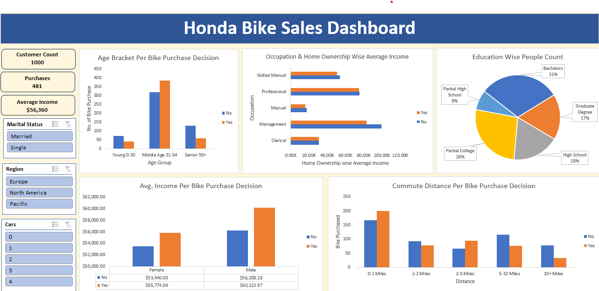
1. Clean the data.
a) Replace M with Male and F with Female in the Gender column.
b) Replace M with Married and S with Single in the Marital Status column.
c) Check for duplicate rows in the data. And remove it.

2. Pivot Insights
Generate following insights using pivot tables:
a) Gender wise Avg. Income Per Bike Purchase Decision.
b) Commute Distance Per Bike Purchase Decision.
c) Age Bracket Per Bike Purchase Decision.
d) Occupation & Home Ownership Wise Average Income.
e) People Count based on Education.

3. Create a dashboard. Refer to the image of expected dashboard.

Honda Sales Dashboard
Age Group Per Bike Purchase Decision.
 | No | Yes
Middle | 313 | 372
Senior | 135 | 70
Young | 71 | 39
Occupation & Home Ownership Wise Average Income.
 | No | Yes
Skilled Manual | 53.8K | 50.8K
Professional | 75.4K | 74.9K
Manual | 17.6K | 16.1K
Management | 99.4K | 83.3K
Clerical | 31.1K | 31.1K
Education Wise People Count
 | Total
Bachelors | 306
Graduate Degree | 174
High School | 179
Partial College | 265
Partial High School | 76
Gender wise Avg. Income Per Bike Purchase Decision
 | No | Yes
Female | $53,440.00 | $55,774.06
Male | $56,208.18 | $60,123.97
Commute Distance Per Bike Purchase Decision
 | No | Yes
0-1 Miles | 166 | 200
2-5 Miles | 67 | 95
1-2 Miles | 92 | 77
5-10 Miles | 116 | 76
10+ Miles | 78 | 33
HONDA BIKE SALES DASHBOARD

Customer Count
1000

Parchese
481

Average Incom
56.4K

